RTW
Photo | Brand | Gender | Category | Style Name | Ean Number | St. Numb | Colour Variant | Size | QTY | WHS | Total WHS | RRp | Total RRP
#VALUE! | ORI | Male | T-Shirts & Tops | JORMUSCLE PLAIN TEE SS CREW | 5715825514582 | 12290413 | Bright White | S | 514 | 4.99 € | 2,564.86 € | 14.99 € | 7,704.86 €
 | ORI | Male | T-Shirts & Tops | JORMUSCLE PLAIN TEE SS CREW | 5715825514643 | 12290413 | Bright White | M | 788 | 4.99 € | 3,932.12 € | 14.99 € | 11,812.12 €
 | ORI | Male | T-Shirts & Tops | JORMUSCLE PLAIN TEE SS CREW | 5715825514636 | 12290413 | Bright White | L | 940 | 4.99 € | 4,690.60 € | 14.99 € | 14,090.60 €
 | ORI | Male | T-Shirts & Tops | JORMUSCLE PLAIN TEE SS CREW | 5715825514575 | 12290413 | Bright White | XL | 590 | 4.99 € | 2,944.10 € | 14.99 € | 8,844.10 €
 | ORI | Male | T-Shirts & Tops | JORMUSCLE PLAIN TEE SS CREW | 5715825514599 | 12290413 | Bright White | XXL | 266 | 4.99 € | 1,327.34 € | 14.99 € | 3,987.34 €
 | ORI | Male | T-Shirts & Tops | JORMUSCLE PLAIN TEE SS CREW | 5715825514544 | 12290413 | Black | S | 554 | 4.99 € | 2,764.46 € | 14.99 € | 8,304.46 €
 | ORI | Male | T-Shirts & Tops | JORMUSCLE PLAIN TEE SS CREW | 5715825514506 | 12290413 | Black | M | 908 | 4.99 € | 4,530.92 € | 14.99 € | 13,610.92 €
 | ORI | Male | T-Shirts & Tops | JORMUSCLE PLAIN TEE SS CREW | 5715825514520 | 12290413 | Black | L | 1086 | 4.99 € | 5,419.14 € | 14.99 € | 16,279.14 €
 | ORI | Male | T-Shirts & Tops | JORMUSCLE PLAIN TEE SS CREW | 5715825514537 | 12290413 | Black | XL | 718 | 4.99 € | 3,582.82 € | 14.99 € | 10,762.82 €
 | ORI | Male | T-Shirts & Tops | JORMUSCLE PLAIN TEE SS CREW | 5715825514490 | 12290413 | Black | XXL | 364 | 4.99 € | 1,816.36 € | 14.99 € | 5,456.36 €
 | ORI | Male | T-Shirts & Tops | JORMUSCLE PLAIN TEE SS CREW | 5715825514452 | 12290413 | Navy Blazer | S | 436 | 4.99 € | 2,175.64 € | 14.99 € | 6,535.64 €
 | ORI | Male | T-Shirts & Tops | JORMUSCLE PLAIN TEE SS CREW | 5715825514445 | 12290413 | Navy Blazer | M | 806 | 4.99 € | 4,021.94 € | 14.99 € | 12,081.94 €
 | ORI | Male | T-Shirts & Tops | JORMUSCLE PLAIN TEE SS CREW | 5715825514438 | 12290413 | Navy Blazer | L | 972 | 4.99 € | 4,850.28 € | 14.99 € | 14,570.28 €
 | ORI | Male | T-Shirts & Tops | JORMUSCLE PLAIN TEE SS CREW | 5715825514483 | 12290413 | Navy Blazer | XL | 592 | 4.99 € | 2,954.08 € | 14.99 € | 8,874.08 €
 | ORI | Male | T-Shirts & Tops | JORMUSCLE PLAIN TEE SS CREW | 5715825514421 | 12290413 | Navy Blazer | XXL | 250 | 4.99 € | 1,247.50 € | 14.99 € | 3,747.50 €
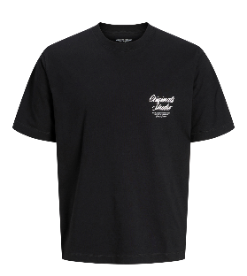 | ORIG | Man | T-Shirts & Tops | JORNORREBRO TYPO TEE SS CREW NECK NOOS | 5715722802300 | 12282898 | Black | L | 201 | 6.67 € | 1,340.67 € | 19.99 € | 4,017.99 €
 | ORIG | Man | T-Shirts & Tops | JORNORREBRO TYPO TEE SS CREW NECK NOOS | 5715730533234 | 12282898 | Black | XL | 204 | 6.67 € | 1,360.68 € | 19.99 € | 4,077.96 €
 | ORIG | Man | T-Shirts & Tops | JORNORREBRO TYPO TEE SS CREW NECK NOOS | 5715730533203 | 12282898 | Black | XXL | 129 | 6.67 € | 860.43 € | 19.99 € | 2,578.71 €
#VALUE! | ESS | Man | T-Shirts & Tops | JJEORGANIC BASIC TEE SS O-NECK NOOS | 5715724950207 | 12156101 | Duffel Bag | XS | 31 | 4.99 € | 154.69 € | 14.99 € | 464.69 €
 | ESS | Man | T-Shirts & Tops | JJEORGANIC BASIC TEE SS O-NECK NOOS | 5715671957748 | 12156101 | Languid Lavender | S | 86 | 4.99 € | 429.14 € | 14.99 € | 1,289.14 €
 | ESS | Man | T-Shirts & Tops | JJEORGANIC BASIC TEE SS O-NECK NOOS | 5715671957694 | 12156101 | Languid Lavender | M | 855 | 4.99 € | 4,266.45 € | 14.99 € | 12,816.45 €
 | ESS | Man | T-Shirts & Tops | JJEORGANIC BASIC TEE SS O-NECK NOOS | 5715611493282 | 12156101 | Languid Lavender | L | 565 | 4.99 € | 2,819.35 € | 14.99 € | 8,469.35 €
 | ESS | Man | T-Shirts & Tops | JJEORGANIC BASIC TEE SS O-NECK NOOS | 5715724950269 | 12156101 | Monks Robe | S | 851 | 4.99 € | 4,246.49 € | 14.99 € | 12,756.49 €
 | ESS | Man | T-Shirts & Tops | JJEORGANIC BASIC TEE SS O-NECK NOOS | 5715724950245 | 12156101 | Monks Robe | M | 851 | 4.99 € | 4,246.49 € | 14.99 € | 12,756.49 €
 | ESS | Man | T-Shirts & Tops | JJEORGANIC BASIC TEE SS O-NECK NOOS | 5715731946781 | 12156101 | Stormy Weather | XS | 72 | 4.99 € | 359.28 € | 14.99 € | 1,079.28 €
 | ESS | Man | T-Shirts & Tops | JJEORGANIC BASIC TEE SS O-NECK NOOS | 5715731946842 | 12156101 | Stormy Weather | XXXL | 167 | 4.99 € | 833.33 € | 14.99 € | 2,503.33 €
#VALUE! | ESS | Man | T-Shirts & Tops | JJESTAR JJ TEE SS NOOS | 5715671959339 | 12234746 | Iceberg Green | XS | 280 | 5.35 € | 1,498.00 € | 14.99 € | 4,197.20 €
 | ESS | Man | T-Shirts & Tops | JJESTAR JJ TEE SS NOOS | 5715671959322 | 12234746 | Iceberg Green | S | 393 | 5.35 € | 2,102.55 € | 14.99 € | 5,891.07 €
 | ESS | Man | T-Shirts & Tops | JJESTAR JJ TEE SS NOOS | 5715671959407 | 12234746 | Iceberg Green | M | 188 | 5.35 € | 1,005.80 € | 14.99 € | 2,818.12 €
 | ESS | Man | T-Shirts & Tops | JJESTAR JJ TEE SS NOOS | 5715611486796 | 12234746 | Iceberg Green | L | 104 | 5.35 € | 556.40 € | 14.99 € | 1,558.96 €
 | ESS | Man | T-Shirts & Tops | JJESTAR JJ TEE SS NOOS | 5715671959469 | 12234746 | Iceberg Green | XL | 291 | 5.35 € | 1,556.85 € | 14.99 € | 4,362.09 €
 | ESS | Man | T-Shirts & Tops | JJESTAR JJ TEE SS NOOS | 5715671959391 | 12234746 | Iceberg Green | XXL | 160 | 5.35 € | 856.00 € | 14.99 € | 2,398.40 €
 | ESS | Man | T-Shirts & Tops | JJESTAR JJ TEE SS NOOS | 5715671959315 | 12234746 | Oceanview | XS | 194 | 5.35 € | 1,037.90 € | 14.99 € | 2,908.06 €
 | ESS | Man | T-Shirts & Tops | JJESTAR JJ TEE SS NOOS | 5715671959445 | 12234746 | Oceanview | S | 446 | 5.35 € | 2,386.10 € | 14.99 € | 6,685.54 €
 | ESS | Man | T-Shirts & Tops | JJESTAR JJ TEE SS NOOS | 5715671959285 | 12234746 | Oceanview | XXL | 242 | 5.35 € | 1,294.70 € | 14.99 € | 3,627.58 €
#VALUE! | ESS | Man | T-Shirts & Tops | JJEBRADLEY TEE SS O-NECK NOOS | 5715671960199 | 12249319 | Chambray Blue | XS | 100 | 4.99 € | 499.00 € | 14.99 € | 1,499.00 €
 | ESS | Man | T-Shirts & Tops | JJEBRADLEY TEE SS O-NECK NOOS | 5715671959940 | 12249319 | Iceberg Green | XS | 154 | 4.99 € | 768.46 € | 14.99 € | 2,308.46 €
 | ESS | Man | T-Shirts & Tops | JJEBRADLEY TEE SS O-NECK NOOS | 5715671959933 | 12249319 | Iceberg Green | S | 40 | 4.99 € | 199.60 € | 14.99 € | 599.60 €
 | ESS | Man | T-Shirts & Tops | JJEBRADLEY TEE SS O-NECK NOOS | 5715671960182 | 12249319 | Iceberg Green | M | 599 | 4.99 € | 2,989.01 € | 14.99 € | 8,979.01 €
 | ESS | Man | T-Shirts & Tops | JJEBRADLEY TEE SS O-NECK NOOS | 5715611192161 | 12249319 | Iceberg Green | L | 450 | 4.99 € | 2,245.50 € | 14.99 € | 6,745.50 €
 | ESS | Man | T-Shirts & Tops | JJEBRADLEY TEE SS O-NECK NOOS | 5715671959926 | 12249319 | Iceberg Green | XL | 394 | 4.99 € | 1,966.06 € | 14.99 € | 5,906.06 €
 | ESS | Man | T-Shirts & Tops | JJEBRADLEY TEE SS O-NECK NOOS | 5715671960229 | 12249319 | Iceberg Green | XXL | 125 | 4.99 € | 623.75 € | 14.99 € | 1,873.75 €
 | ESS | Man | T-Shirts & Tops | JJEBRADLEY TEE SS O-NECK NOOS | 5715671959957 | 12249319 | Oceanview | S | 7 | 4.99 € | 34.93 € | 14.99 € | 104.93 €
 | ESS | Man | T-Shirts & Tops | JJEBRADLEY TEE SS O-NECK NOOS | 5715671959964 | 12249319 | Oceanview | M | 555 | 4.99 € | 2,769.45 € | 14.99 € | 8,319.45 €
 | ESS | Man | T-Shirts & Tops | JJEBRADLEY TEE SS O-NECK NOOS | 5715611192178 | 12249319 | Oceanview | L | 384 | 4.99 € | 1,916.16 € | 14.99 € | 5,756.16 €
 | ESS | Man | T-Shirts & Tops | JJEBRADLEY TEE SS O-NECK NOOS | 5715671959896 | 12249319 | Oceanview | XL | 430 | 4.99 € | 2,145.70 € | 14.99 € | 6,445.70 €
 | ESS | Man | T-Shirts & Tops | JJEBRADLEY TEE SS O-NECK NOOS | 5715724958180 | 12249319 | Stormy Weather | XS | 5 | 4.99 € | 24.95 € | 14.99 € | 74.95 €
#VALUE! | ESS | Man | T-Shirts & Tops | JJEDOVER PRINT TEE SS CREW NECK SN | 5715724958494 | 12279524 | Antique White | XS | 30 | 6.66 € | 199.80 € | 17.99 € | 539.70 €
 | ESS | Man | T-Shirts & Tops | JJEDOVER PRINT TEE SS CREW NECK SN | 5715724958555 | 12279524 | Black | XS | 33 | 6.66 € | 219.78 € | 17.99 € | 593.67 €
 | ESS | Man | T-Shirts & Tops | JJEDOVER PRINT TEE SS CREW NECK SN | 5715724958524 | 12279524 | Monks Robe | XS | 49 | 6.66 € | 326.34 € | 17.99 € | 881.51 €
#VALUE! | ESS | Man | T-Shirts & Tops | JJECHARGE FADED TEE O-NECK NOOS | 5715671858205 | 12268270 | Mood Indigo | S | 120 | 6.66 € | 799.20 € | 19.99 € | 2,398.80 €
 | ESS | Man | T-Shirts & Tops | JJECHARGE FADED TEE O-NECK NOOS | 5715671858212 | 12268270 | Mood Indigo | M | 1 | 6.66 € | 6.66 € | 19.99 € | 19.99 €
#VALUE! | ESS | Man | T-Shirts & Tops | JJEBASHER TEE O-NECK SS NOOS | 5715106626126 | 12182498 | CrockeryFit:Reg | XS | 59 | 6.67 € | 393.53 € | 19.99 € | 1,179.41 €
 | ESS | Man | T-Shirts & Tops | JJEBASHER TEE O-NECK SS NOOS | 5715106626133 | 12182498 | CrockeryFit:Reg | S | 348 | 6.67 € | 2,321.16 € | 19.99 € | 6,956.52 €
 | ESS | Man | T-Shirts & Tops | JJEBASHER TEE O-NECK SS NOOS | 5715106626140 | 12182498 | CrockeryFit:Reg | M | 568 | 6.67 € | 3,788.56 € | 19.99 € | 11,354.32 €
 | ESS | Man | T-Shirts & Tops | JJEBASHER TEE O-NECK SS NOOS | 5715102181032 | 12182498 | Forest NightFit:REG | S | 337 | 6.67 € | 2,247.79 € | 19.99 € | 6,736.63 €
 | ESS | Man | T-Shirts & Tops | JJEBASHER TEE O-NECK SS NOOS | 5715102181049 | 12182498 | Forest NightFit:REG | M | 425 | 6.67 € | 2,834.75 € | 19.99 € | 8,495.75 €
 | ESS | Man | T-Shirts & Tops | JJEBASHER TEE O-NECK SS NOOS | 5715094287156 | 12182498 | Forest NightFit:REG | L | 613 | 6.67 € | 4,088.71 € | 19.99 € | 12,253.87 €
...
Photo | Brand | Gender | Category | Style Name | Ean Number | St. Numb
 | PST | Man | Trousers | JPSTMARCO CONNOR GREY MEL NOOS | 5714508200606 | 12169491
 | PST | Man | Trousers | JPSTMARCO CONNOR GREY MEL NOOS | 5714508200613 | 12169491
 | PST | Man | Trousers | JPSTMARCO CONNOR GREY MEL NOOS | 5714502224639 | 12169491
 | PST | Man | Trousers | JPSTMARCO CONNOR GREY MEL NOOS | 5714508200484 | 12169491
 | PST | Man | Trousers | JPSTMARCO CONNOR GREY MEL NOOS | 5714508200378 | 12169491
 | PST | Man | Trousers | JPSTMARCO CONNOR GREY MEL NOOS | 5714508200491 | 12169491
 | PST | Man | Trousers | JPSTMARCO CONNOR GREY MEL NOOS | 5714508200385 | 12169491
 | PST | Man | Trousers | JPSTMARCO CONNOR GREY MEL NOOS | 5714508200507 | 12169491
 | PST | Man | Trousers | JPSTMARCO CONNOR GREY MEL NOOS | 5714508200392 | 12169491
 | PST | Man | Trousers | JPSTMARCO CONNOR GREY MEL NOOS | 5714508200514 | 12169491
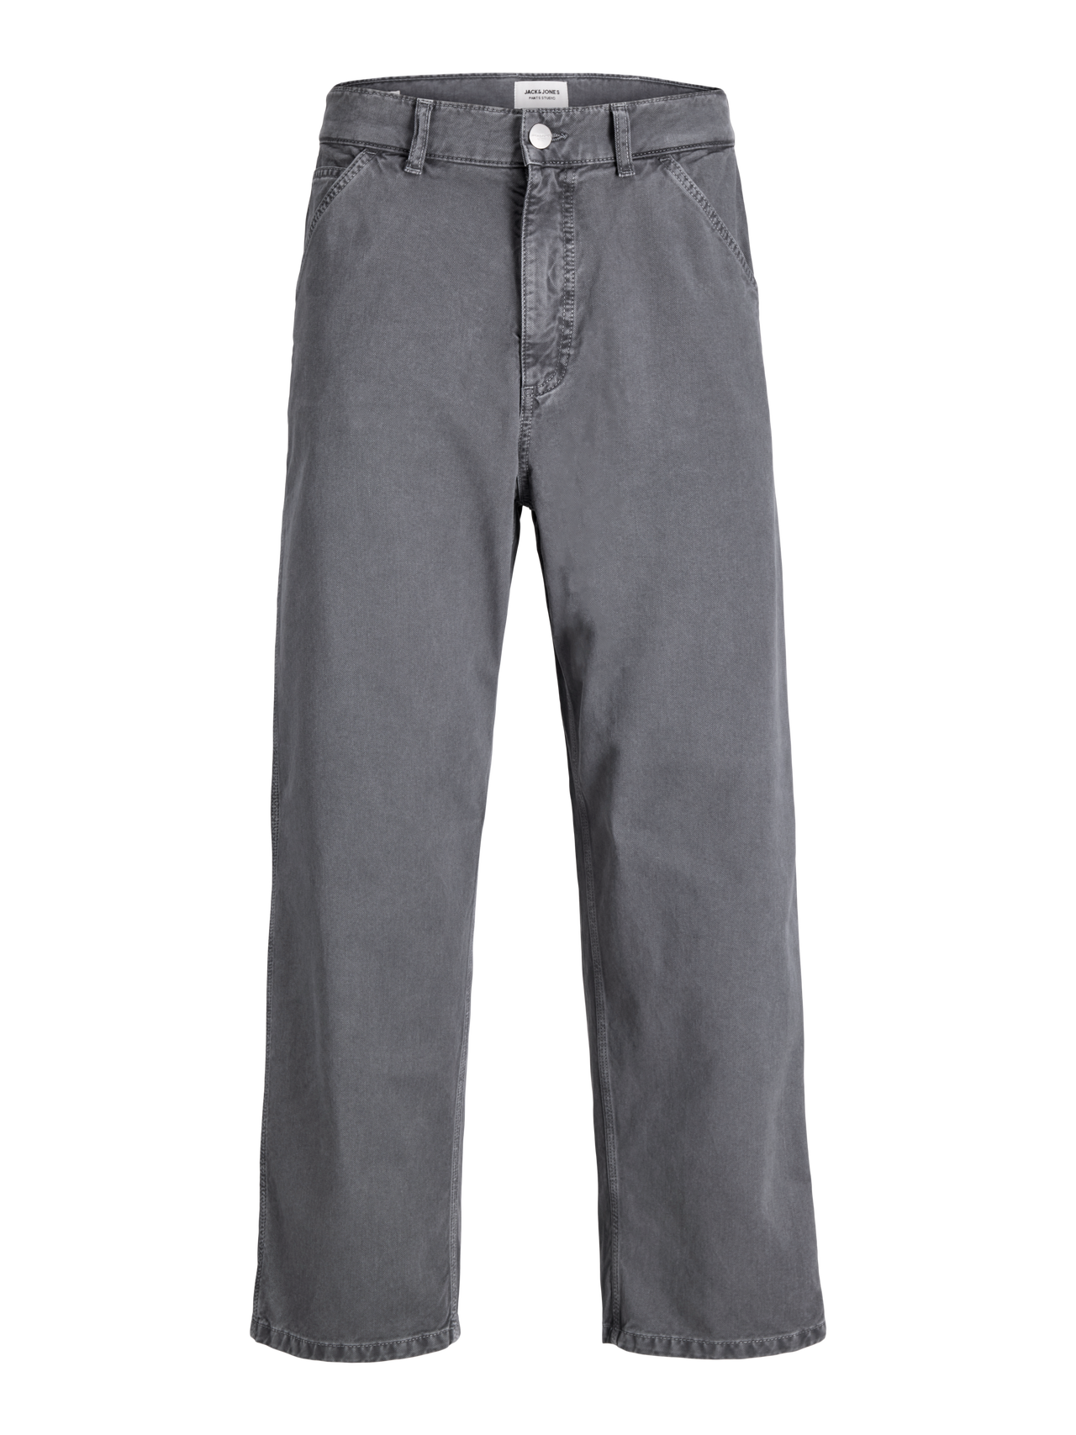 | PST | Man | Trousers | JPSTALEX MIX WORKER PANT STYD AW25 LTN | 5715832901221 | 12294812
 | PST | Man | Trousers | JPSTALEX MIX WORKER PANT STYD AW25 LTN | 5715832940909 | 12294812
#VALUE! | PST | Man | Trousers | JPSTACE HYBRID KENSO STYD AW25 | 5715865076224 | 12294822
 | PST | Man | Trousers | JPSTACE HYBRID KENSO STYD AW25 | 5715865076187 | 12294822
 | PST | Man | Trousers | JPSTACE HYBRID KENSO STYD AW25 | 5715865076163 | 12294822
 | PST | Man | Trousers | JPSTACE HYBRID KENSO STYD AW25 | 5715865041420 | 12294822
 | PST | Man | Trousers | JPSTACE HYBRID KENSO STYD AW25 | 5715865076170 | 12294822
 | PST | Man | Trousers | JPSTACE HYBRID KENSO STYD AW25 | 5715865076149 | 12294822
 | PST | Man | Trousers | JPSTACE HYBRID KENSO STYD AW25 | 5715865076125 | 12294822
 | PST | Man | Trousers | JPSTACE HYBRID KENSO STYD AW25 | 5715865076132 | 12294822
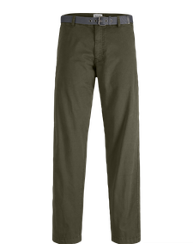 | PST | Man | Trousers | JPSTKANE TUCKER BELTED CHINO STYD AW25LN | 5715832960792 | 12294833
#VALUE! | PST | Man | Trousers | JPSTKANE EDWIN JOGGER NOOS | 5715715084270 | 12268303
 | PST | Man | Trousers | JPSTKANE EDWIN JOGGER NOOS | 5715715083198 | 12268303
 | PST | Man | Trousers | JPSTKANE EDWIN JOGGER NOOS | 5715715083211 | 12268303
 | PST | Man | Trousers | JPSTKANE EDWIN JOGGER NOOS | 5715614939442 | 12268303
 | PST | Man | Trousers | JPSTKANE EDWIN JOGGER NOOS | 5715614939268 | 12268303
 | PST | Man | Trousers | JPSTKANE EDWIN JOGGER NOOS | 5715614939275 | 12268303
#VALUE! | PST | Man | Trousers | JPSTOLLIE KNOX PANTS STYD AW25 LN | 5715832759419 | 12294832
 | PST | Man | Trousers | JPSTOLLIE KNOX PANTS STYD AW25 LN | 5715832759396 | 12294832
 | PST | Man | Trousers | JPSTOLLIE KNOX PANTS STYD AW25 LN | 5715832463323 | 12294832
 | PST | Man | Trousers | JPSTOLLIE KNOX PANTS STYD AW25 LN | 5715832759402 | 12294832
...
Photo | Brand | Gender | Category | Style Name | Ean Number | St. Numb
 | PST | Man | Trousers | JPSTKANE MASON EASY CARE CHINO SN | 5715729599265 | 12283729
 | PST | Man | Trousers | JPSTKANE MASON EASY CARE CHINO SN | 5715729599258 | 12283729
 | PST | Man | Trousers | JPSTKANE MASON EASY CARE CHINO SN | 5715729598411 | 12283729
 | PST | Man | Trousers | JPSTKANE MASON EASY CARE CHINO SN | 5715729598602 | 12283729
 | PST | Man | Trousers | JPSTKANE MASON EASY CARE CHINO SN | 5715729599296 | 12283729
 | PST | Man | Trousers | JPSTKANE MASON EASY CARE CHINO SN | 5715729598404 | 12283729
 | PST | Man | Trousers | JPSTKANE MASON EASY CARE CHINO SN | 5715729598596 | 12283729
 | PST | Man | Trousers | JPSTKANE MASON EASY CARE CHINO SN | 5715729598466 | 12283729
 | PST | Man | Trousers | JPSTKANE MASON EASY CARE CHINO SN | 5715729598503 | 12283729
 | PST | Man | Trousers | JPSTKANE MASON EASY CARE CHINO SN | 5715729598589 | 12283729
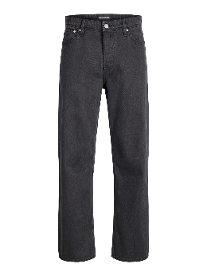 | JI | Man | Jeans | JJIDAN JJTAILORED NS 180 LN | 5715833923918 | 12295725
 | JI | Man | Jeans | JJIDAN JJTAILORED NS 180 LN | 5715833923901 | 12295725
 | JI | Man | Jeans | JJIDAN JJTAILORED NS 180 LN | 5715833923963 | 12295725
 | JI | Man | Jeans | JJIDAN JJTAILORED NS 280 LN | 5715865721360 | 12295623
 | JI | Man | Jeans | JJIDAN JJTAILORED NS 280 LN | 5715865721353 | 12295623
 | JI | Man | Jeans | JJIDAN JJTAILORED NS 280 LN | 5715865721407 | 12295623
 | JI | Man | Jeans | JJIDAN JJTAILORED NS 280 LN | 5715865721346 | 12295623
 | JI | Man | Jeans | JJIDAN JJTAILORED NS 280 LN | 5715865034774 | 12295623
 | JI | Man | Jeans | JJIDAN JJTAILORED NS 280 LN | 5715865721391 | 12295623
 | JI | Man | Jeans | JJIDAN JJTAILORED NS 280 LN | 5715865721339 | 12295623
 | JI | Man | Jeans | JJIDAN JJTAILORED NS 280 LN | 5715865721322 | 12295623
...
Photo | Brand | Gender | Category | Style Name | Ean Number | St. Numb
 | JI | Man | Jeans | JJIMIKE JJCADE GE 535 LN | 5715833910970 | 12295614
 | JI | Man | Jeans | JJIMIKE JJCADE GE 535 LN | 5715833910956 | 12295614
 | JI | Man | Jeans | JJIMIKE JJCADE GE 535 LN | 5715833910918 | 12295614
 | JI | Man | Jeans | JJIMIKE JJCADE GE 535 LN | 5715833910963 | 12295614
 | JI | Man | Jeans | JJIMIKE JJCADE GE 535 LN | 5715833910925 | 12295614
 | JI | Man | Jeans | JJIMIKE JJCADE GE 535 LN | 5715833910949 | 12295614
 | JI | Man | Jeans | JJIMIKE JJCADE GE 535 LN | 5715833910901 | 12295614
#VALUE! | JI | Man | Jeans | JJIDAVE JJORIGINAL SQ 082 | 5715727731018 | 12285741
 | JI | Man | Jeans | JJIDAVE JJORIGINAL SQ 082 | 5715727731131 | 12285741
 | JI | Man | Jeans | JJIDAVE JJORIGINAL SQ 082 | 5715727731025 | 12285741
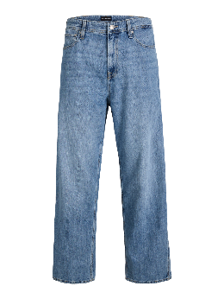 | JI | Man | Jeans | JJIALEX JJNORREBRO SQ 400 LN | 5715833924113 | 12295629
#VALUE! | JI | Man | Jeans | JJICLARK JJEVAN JOS 798 LID NOOS | 5715609188428 | 12261838
...

